Reference Tables
Race | Gender | Y/N | Lung Disease | County | Site | Heart Disease | Diabetes | Smoking | Symptoms
American Indian | Male | Yes | Asthma | Aurora | Clinic | Heart Failure | Pre-Diabetic | Non-Smoker | Fever
Alaskan Native | Female | No | COPD | Beadle | Urgent Care | Hyperlipidemia | Type 1 | Current Smoker | Shortness of Breath
Asian |  |  | Other Lung Disease (Specify) | Bennett | ER | Hypertension | Type 2 | Former Smoker | Cough
Black or African American |  |  |  | Bon Homme | Hospital | Coronary Artery Disease |  | Vaping | Sore Throat
Pacific Islander |  |  |  | Brookings | Remote (Video) | Other Heart Disease (Specify) |  |  | Chills
White |  |  |  | Brown |  |  |  |  | Muscle Pain
Declined |  |  |  | Brule |  |  |  |  | Headache
 |  |  |  | Buffalo |  |  |  |  | Other (Specify)
 |  |  |  | Butte
 |  |  |  | Campbell
 |  |  |  | Charles Mix
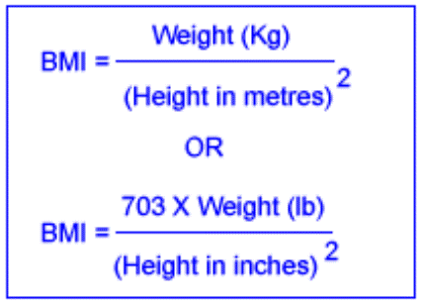
 |  |  |  | Clark
 |  |  |  | Clay
 |  |  |  | Codington
 |  |  |  | Corson
 |  |  |  | Custer
 |  |  |  | Davison
 |  |  |  | Day
 |  |  |  | Deuel
 |  |  |  | Dewey
 |  |  |  | Douglas
 |  |  |  | Edmunds
 |  |  |  | Fall River
 |  |  |  | Faulk
 |  |  |  | Grant
 |  |  |  | Gregory
 |  |  |  | Haakon
 |  |  |  | Hamlin
 |  |  |  | Hand
 |  |  |  | Hanson
 |  |  |  | Harding
 |  |  |  | Hughes
 |  |  |  | Hutchinson
 |  |  |  | Hyde
 |  |  |  | Jackson
 |  |  |  | Jerauld
 |  |  |  | Jones
 |  |  |  | Kingsbury
 |  |  |  | Lake
 |  |  |  | Lawrence
 |  |  |  | Lincoln
 |  |  |  | Lyman
 |  |  |  | McCook
 |  |  |  | McPherson
 |  |  |  | Marshall
 |  |  |  | Meade
 |  |  |  | Mellette
 |  |  |  | Miner
 |  |  |  | Minnehaha
 |  |  |  | Moody
 |  |  |  | Pennington
 |  |  |  | Perkins
 |  |  |  | Potter
 |  |  |  | Roberts
 |  |  |  | Sanborn
 |  |  |  | Shannon
 |  |  |  | Spink
 |  |  |  | Stanley
 |  |  |  | Sully
 |  |  |  | Todd
 |  |  |  | Tripp
 |  |  |  | Turner
 |  |  |  | Union
 |  |  |  | Walworth
 |  |  |  | Yankton
 |  |  |  | Ziebach
 |  |  |  | Other County, State

